DPD JAN 23
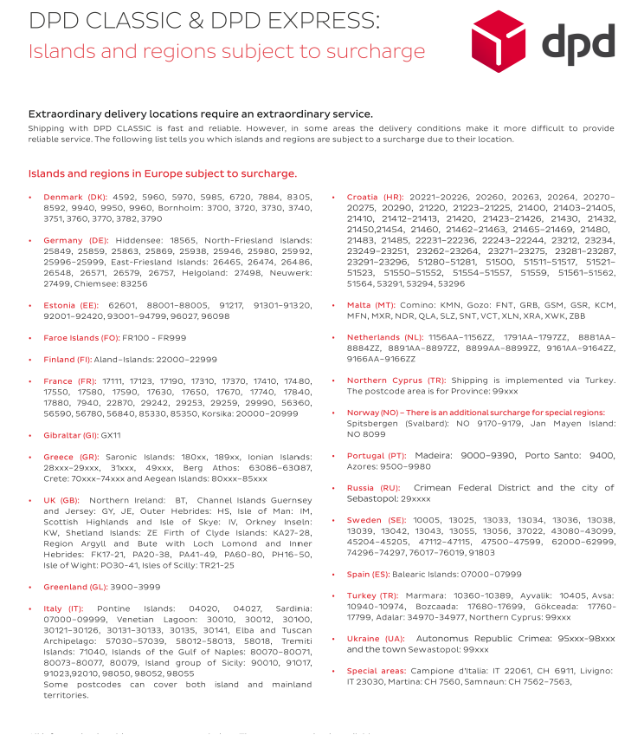
 | DPD RATES |  |  |  |  | W.E.F. 01.01.2023

DPD | ZONE 1 | ZONE 1A | ZONE 1B | ZONE 1C | ZONE 1D | ZONE 1E | ZONE 1F | ZONE 1G
2021 | GERMANY | AUSTRIA | SWITZERLAND | FRANCE | HUNGARY | SPAIN | ESTONIA | BULGARIA
 |  | BELGIUM | CZECH REP. | UK | ITALY | IRELAND | FINLAND | BOSNIA
 |  | LUXEMBOURG | DENMARK | MONACO | POLAND | PORTUGAL | CROATIA | GREECE
 |  | NETHERLANDS | LICHTENSTEIN |  | SLOVAK REP. | SWEDEN | LITHUANIA | ICELAND
 |  |  |  |  | SLOVENIA |  | LATVIA | ROMANIA
 |  |  |  |  |  |  | NORWAY | SERBIA
KG
3 | 6.06 | 11.63 | 13.81 | 14.50 | 17.44 | 22.50 | 27.38 | 37.44
5 | 6.25 | 11.69 | 14.00 | 14.63 | 17.56 | 22.63 | 27.56 | 37.63
10 | 6.44 | 11.75 | 14.06 | 14.75 | 17.75 | 22.81 | 27.69 | 38.06
15 | 6.56 | 11.88 | 14.31 | 14.88 | 17.88 | 23.00 | 28.13 | 38.31
20 | 6.69 | 12.06 | 14.63 | 15.38 | 18.25 | 23.88 | 28.38 | 38.56
25 | 7.31 | 12.31 | 15.06 | 15.81 | 18.75 | 24.06 | 29.25 | 39.06
31.5 | 7.52 | 12.77 | 15.42 | 16.01 | 19.01 | 24.38 | 29.31 | 39.56

All prices given in Euro Currency
Above Rates are based on per piece
Above given rates are inclusive of Fuel Surcharge
Extra charges may apply to your shipments . Check below points:
Island deliveries at some destinations |  |  |  | 26.00 Euro |  | Island delivery list attached |  |  | →
Address correction -6 Euro , wherever applicable .This is known to us only after receipt of invoice from DPD
Non conveyable piecs- EURO 6 per piece
NON CONVEYABLE - non-standard package shapes OR parcels with a length of more than 120 cm to a length of 175 cm, OR with a width or height of more than 60 cm, are classified as non-conveyable (NC) goods
Parcels with a volume greater than 150 litres are considered as non-conveyable goods (NC-volume).
Oversized/excess weight parcels -EURO 35.00 |  |  |  |  | If the max. weight of 31.5 kg; max. length of 175 cm; max. circumference plus longest side of 300 cm is exceeded

FORWARDING SURCHARGE- EURO 55 .00 For parcels with a weight of more than 40 kg, a length of more than 250 cm or a combined circumference + length of 330 cm
Parcel not deliverable, address/postcode error domestic |  |  |  |  |  | 6 EURO
Parcel not deliverable, address/postcode error international |  |  |  |  |  | 12 EURO
Second or Third delivery attempt |  |  |  |  |  | 2.5 EURO

